all-perovsite
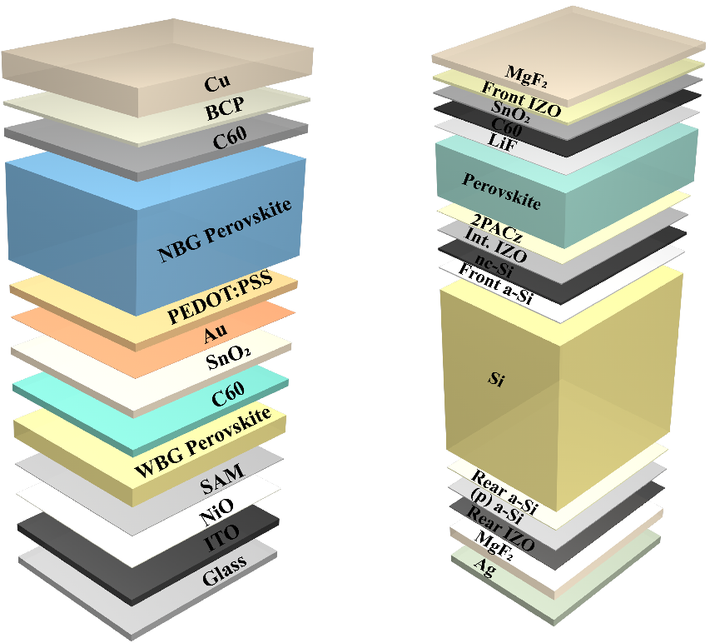
 |  |  |  |  |  |  |  |  |  |  |  |  |  |  |  |  |  |  | RCP26 |  |  |  |  |  |  |  |  |  |  |  |  |  |  |  | RCP19
Elecytricity | 12.801944444 | Base | CN | RER | JP | AU | IN | CA | KR | SE.Asia | US | RAF | RME | TR | BR | ID | MX | GLO | CN | RER | JP | AU | IN | CA | KR | SE.Asia | US | RAF | RME | TR | BR | ID | MX | GLO | CN | RER | JP | AU | IN | CA | KR | SE.Asia | US | RAF | RME | TR | BR | ID | MX | GLO
 |  | 2020 | 54.92885507 | 46.754350317 | 50.388000325 | 54.162577485 | 59.547610203 | 44.350083887 | 50.75518592 | 50.935631055 | 48.233019181 | 50.945860789 | 51.778194852 | 49.842859708 | 44.661078573 | 56.294947572 | 49.103610121 | 50.706442824 | 54.908742691 | 46.734237938 | 50.367887946 | 54.142465106 | 59.527497824 | 44.329971509 | 50.735073541 | 50.915518676 | 48.212906802 | 50.92574841 | 51.758082473 | 49.822747329 | 44.640966194 | 56.274835193 | 49.083497742 | 50.686330445 | 54.85908835 | 46.684583596 | 50.318233605 | 54.092810765 | 59.477843483 | 44.280317167 | 50.6854192 | 50.865864335 | 48.163252461 | 50.876094069 | 51.708428131 | 49.773092988 | 44.591311853 | 56.225180852 | 49.033843401 | 50.636676104
11.76 | Production electricity | 2021 | 54.566327712 | 46.472552492 | 50.006164052 | 53.269830018 | 59.526419632 | 44.470791243 | 50.537087778 | 51.139843001 | 48.25656342 | 50.24197633 | 51.436325731 | 49.780602557 | 44.506356837 | 56.209132796 | 48.824195046 | 50.732589403 | 54.369807631 | 46.301696571 | 49.761791643 | 52.925946097 | 59.37413829 | 44.208810429 | 50.192124513 | 50.864849324 | 48.022778622 | 49.976834018 | 51.160886712 | 49.492753708 | 44.330372067 | 55.970171035 | 48.574411253 | 50.50759486 | 53.833787381 | 45.999648024 | 49.367933795 | 52.490307309 | 58.883335115 | 43.860986085 | 49.766723645 | 50.453442657 | 47.606357704 | 49.661398322 | 50.905359833 | 49.078401017 | 44.038555743 | 55.450079255 | 48.233457883 | 50.053819186
1.0419444444 | Recycling electricity | 2022 | 54.203800355 | 46.190754668 | 49.624327779 | 52.377082551 | 59.505229061 | 44.591498599 | 50.318989636 | 51.344054947 | 48.280107658 | 49.538091871 | 51.09445661 | 49.718345406 | 44.351635101 | 56.123318021 | 48.544779971 | 50.758735983 | 53.830872571 | 45.869155204 | 49.15569534 | 51.709427087 | 59.220778756 | 44.087649349 | 49.649175485 | 50.814179972 | 47.832650443 | 49.027919626 | 50.56369095 | 49.162760087 | 44.01977794 | 55.665506877 | 48.065324763 | 50.328859276 | 52.808486412 | 45.314712452 | 48.417633986 | 50.887803853 | 58.288826746 | 43.441655004 | 48.84802809 | 50.041020979 | 47.049462947 | 48.446702575 | 50.102291535 | 48.383709045 | 43.485799633 | 54.674977659 | 47.433072365 | 49.470962269
12.801944444 |  | 2023 | 53.841272997 | 45.908956843 | 49.242491506 | 51.484335084 | 59.48403849 | 44.712205954 | 50.100891494 | 51.548266893 | 48.303651897 | 48.834207412 | 50.752587489 | 49.656088254 | 44.196913365 | 56.037503245 | 48.265364897 | 50.784882562 | 53.291937511 | 45.436613837 | 48.549599036 | 50.492908077 | 59.067419222 | 43.96648827 | 49.106226457 | 50.763510619 | 47.642522263 | 48.079005233 | 49.966495189 | 48.832766466 | 43.709183813 | 55.36084272 | 47.556238274 | 50.150123691 | 51.783185444 | 44.62977688 | 47.467334176 | 49.285300397 | 57.694318378 | 43.022323922 | 47.929332535 | 49.628599301 | 46.49256819 | 47.232006828 | 49.299223237 | 47.689017074 | 42.933043523 | 53.899876062 | 46.632686847 | 48.888105352
 |  | 2024 | 53.478745639 | 45.627159019 | 48.860655233 | 50.591587617 | 59.462847919 | 44.83291331 | 49.882793352 | 51.752478839 | 48.327196136 | 48.130322953 | 50.410718368 | 49.593831103 | 44.04219163 | 55.951688469 | 47.985949822 | 50.811029141 | 52.753002451 | 45.00407247 | 47.943502733 | 49.276389067 | 58.914059687 | 43.84532719 | 48.563277428 | 50.712841267 | 47.452394083 | 47.130090841 | 49.369299428 | 48.502772844 | 43.398589686 | 55.056178562 | 47.047151784 | 49.971388106 | 50.757884475 | 43.944841308 | 46.517034366 | 47.682796941 | 57.099810009 | 42.60299284 | 47.010636981 | 49.216177623 | 45.935673433 | 46.017311081 | 48.496154938 | 46.994325103 | 42.380287413 | 53.124774466 | 45.832301329 | 48.305248435
 |  | 2025 | 53.116218281 | 45.345361195 | 48.47881896 | 49.698840149 | 59.441657348 | 44.953620665 | 49.66469521 | 51.956690784 | 48.350740374 | 47.426438494 | 50.068849248 | 49.531573952 | 43.887469894 | 55.865873694 | 47.706534747 | 50.83717572 | 52.214067391 | 44.571531104 | 47.33740643 | 48.059870057 | 58.760700153 | 43.72416611 | 48.0203284 | 50.662171914 | 47.262265904 | 46.181176449 | 48.772103667 | 48.172779223 | 43.087995559 | 54.751514404 | 46.538065294 | 49.792652521 | 49.732583506 | 43.259905736 | 45.566734556 | 46.080293485 | 56.505301641 | 42.183661759 | 46.091941426 | 48.803755945 | 45.378778676 | 44.802615334 | 47.69308664 | 46.299633131 | 41.827531303 | 52.349672869 | 45.031915811 | 47.722391517
 |  | 2026 | 52.970017539 | 45.087989121 | 48.218655336 | 49.459462557 | 59.080971681 | 44.762943273 | 49.647082853 | 51.706751253 | 48.118260155 | 47.306315986 | 49.828660398 | 49.420676642 | 43.746966332 | 55.596684834 | 47.443072275 | 50.685446057 | 52.025862646 | 44.279287655 | 46.795857688 | 47.491097542 | 58.293806837 | 43.494425431 | 47.763490539 | 49.967762641 | 46.862917484 | 45.911816851 | 48.406195395 | 48.113977251 | 42.845562754 | 54.269888435 | 46.104582111 | 49.493885186 | 47.856320698 | 42.248122842 | 44.104327183 | 44.530330232 | 53.672783724 | 41.3845719 | 44.707467549 | 47.079560713 | 44.133049759 | 43.740209312 | 46.019127905 | 45.197784785 | 41.045005221 | 50.362433262 | 43.731036299 | 46.184885051
 |  | 2027 | 52.823816797 | 44.830617048 | 47.958491713 | 49.220084965 | 58.720286013 | 44.57226588 | 49.629470496 | 51.456811721 | 47.885779935 | 47.186193478 | 49.588471549 | 49.309779332 | 43.606462771 | 55.327495974 | 47.179609803 | 50.533716394 | 51.8376579 | 43.987044206 | 46.254308946 | 46.922325026 | 57.82691352 | 43.264684751 | 47.506652679 | 49.273353368 | 46.463569065 | 45.642457252 | 48.040287123 | 48.055175279 | 42.60312995 | 53.788262465 | 45.671098928 | 49.195117852 | 45.98005789 | 41.236339948 | 42.641919809 | 42.980366979 | 50.840265808 | 40.585482041 | 43.322993673 | 45.35536548 | 42.887320841 | 42.67780329 | 44.345169171 | 44.095936439 | 40.26247914 | 48.375193655 | 42.430156787 | 44.647378585
 |  | 2028 | 52.677616055 | 44.573244974 | 47.698328089 | 48.980707373 | 58.359600346 | 44.381588488 | 49.611858139 | 51.206872189 | 47.653299716 | 47.06607097 | 49.3482827 | 49.198882022 | 43.46595921 | 55.058307115 | 46.91614733 | 50.38198673 | 51.649453155 | 43.694800757 | 45.712760204 | 46.353552511 | 57.360020204 | 43.034944071 | 47.249814818 | 48.578944095 | 46.064220645 | 45.373097654 | 47.67437885 | 47.996373308 | 42.360697145 | 53.306636496 | 45.237615745 | 48.896350517 | 44.103795082 | 40.224557054 | 41.179512436 | 41.430403726 | 48.007747891 | 39.786392183 | 41.938519796 | 43.631170247 | 41.641591924 | 41.615397269 | 42.671210436 | 42.994088093 | 39.479953058 | 46.387954048 | 41.129277276 | 43.109872118
 |  | 2029 | 52.531415312 | 44.315872901 | 47.438164466 | 48.741329781 | 57.998914678 | 44.190911096 | 49.594245782 | 50.956932657 | 47.420819497 | 46.945948462 | 49.108093851 | 49.087984712 | 43.325455648 | 54.789118255 | 46.652684858 | 50.230257067 | 51.46124841 | 43.402557309 | 45.171211462 | 45.784779996 | 56.893126887 | 42.805203391 | 46.992976957 | 47.884534822 | 45.664872226 | 45.103738055 | 47.308470578 | 47.937571336 | 42.118264341 | 52.825010526 | 44.804132561 | 48.597583182 | 42.227532274 | 39.212774161 | 39.717105062 | 39.880440473 | 45.175229975 | 38.987302324 | 40.55404592 | 41.906975014 | 40.395863006 | 40.552991247 | 40.997251702 | 41.892239746 | 38.697426976 | 44.400714441 | 39.828397764 | 41.572365652
 |  | 2030 | 52.38521457 | 44.058500827 | 47.178000842 | 48.501952189 | 57.638229011 | 44.000233703 | 49.576633425 | 50.706993126 | 47.188339277 | 46.825825954 | 48.867905002 | 48.977087401 | 43.184952087 | 54.519929395 | 46.389222386 | 50.078527403 | 51.273043664 | 43.11031386 | 44.62966272 | 45.21600748 | 56.426233571 | 42.575462711 | 46.736139096 | 47.190125549 | 45.265523806 | 44.834378457 | 46.942562306 | 47.878769364 | 41.875831536 | 52.343384556 | 44.370649378 | 48.298815847 | 40.351269466 | 38.200991267 | 38.254697689 | 38.33047722 | 42.342712058 | 38.188212465 | 39.169572044 | 40.182779781 | 39.150134089 | 39.490585225 | 39.323292967 | 40.7903914 | 37.914900895 | 42.413474834 | 38.527518252 | 40.034859185
 |  | 2031 | 52.19609496 | 43.94802652 | 46.911796765 | 48.290105124 | 57.313245877 | 43.885992843 | 49.479664735 | 50.50560569 | 47.072515993 | 46.880851106 | 48.647857423 | 48.947339769 | 43.149881263 | 54.235657686 | 46.134629951 | 49.91929384 | 51.013567463 | 42.833439816 | 44.139306518 | 44.452567065 | 54.755305028 | 42.260819484 | 46.41799304 | 46.412537219 | 44.80930669 | 44.325534492 | 46.249136041 | 47.586169355 | 41.696851438 | 51.610297523 | 43.870844262 | 47.788324395 | 39.180906899 | 37.457862512 | 37.543539509 | 37.545841486 | 40.762202821 | 37.436530763 | 38.207724902 | 39.282322893 | 38.232329308 | 38.492868841 | 38.432628512 | 39.883952145 | 37.289308329 | 40.884429755 | 37.672218435 | 38.993579519
 |  | 2032 | 52.006975351 | 43.837552214 | 46.645592688 | 48.078258058 | 56.988262744 | 43.771751982 | 49.382696045 | 50.304218255 | 46.956692709 | 46.935876258 | 48.427809843 | 48.917592137 | 43.114810438 | 53.951385977 | 45.880037516 | 49.760060276 | 50.754091261 | 42.556565772 | 43.648950316 | 43.689126649 | 53.084376486 | 41.946176257 | 46.099846984 | 45.634948888 | 44.353089575 | 43.816690527 | 45.555709777 | 47.293569345 | 41.517871339 | 50.87721049 | 43.371039146 | 47.277832944 | 38.010544331 | 36.714733757 | 36.83238133 | 36.761205752 | 39.181693584 | 36.684849061 | 37.245877761 | 38.381866005 | 37.314524527 | 37.495152457 | 37.541964056 | 38.97751289 | 36.663715762 | 39.355384676 | 36.816918618 | 37.952299854
 |  | 2033 | 51.817855741 | 43.727077907 | 46.379388611 | 47.866410993 | 56.663279611 | 43.657511121 | 49.285727356 | 50.102830819 | 46.840869425 | 46.99090141 | 48.207762264 | 48.887844505 | 43.079739614 | 53.667114267 | 45.625445082 | 49.600826712 | 50.494615059 | 42.279691727 | 43.158594113 | 42.925686234 | 51.413447943 | 41.63153303 | 45.781700927 | 44.857360558 | 43.896872459 | 43.307846563 | 44.862283512 | 47.000969335 | 41.33889124 | 50.144123457 | 42.871234031 | 46.767341492 | 36.840181764 | 35.971605002 | 36.121223151 | 35.976570017 | 37.601184346 | 35.93316736 | 36.28403062 | 37.481409117 | 36.396719745 | 36.497436074 | 36.651299601 | 38.071073635 | 36.038123196 | 37.826339597 | 35.961618801 | 36.911020188
 |  | 2034 | 51.628736132 | 43.6166036 | 46.113184534 | 47.654563928 | 56.338296478 | 43.54327026 | 49.188758666 | 49.901443384 | 46.725046141 | 47.045926562 | 47.987714685 | 48.858096873 | 43.044668789 | 53.382842558 | 45.370852647 | 49.441593148 | 50.235138857 | 42.002817683 | 42.668237911 | 42.162245818 | 49.742519401 | 41.316889803 | 45.463554871 | 44.079772228 | 43.440655343 | 42.799002598 | 44.168857247 | 46.708369326 | 41.159911142 | 49.411036424 | 42.371428915 | 46.25685004 | 35.669819196 | 35.228476247 | 35.410064971 | 35.191934283 | 36.020675109 | 35.181485658 | 35.322183478 | 36.580952229 | 35.478914964 | 35.49971969 | 35.760635145 | 37.16463438 | 35.41253063 | 36.297294518 | 35.106318983 | 35.869740522
 |  | 2035 | 51.54308761 | 43.609600382 | 45.950451545 | 47.546187951 | 56.116784432 | 43.532500487 | 49.195261064 | 49.803527037 | 46.712693944 | 47.204422801 | 47.871138193 | 48.931820329 | 43.113069053 | 53.202041936 | 45.219731299 | 49.385830672 | 48.811379273 | 40.561660257 | 41.013598326 | 40.23452202 | 46.907307476 | 39.837963194 | 43.981125432 | 42.137900515 | 41.820154845 | 41.125875251 | 42.3111476 | 45.251485934 | 39.816647661 | 47.513666008 | 40.707340417 | 44.582075206 | 34.923689533 | 34.909580396 | 35.123139696 | 34.831531453 | 34.864398776 | 34.85403686 | 34.784569242 | 36.104728246 | 34.985343087 | 34.926236211 | 35.294203594 | 36.682428029 | 35.211170968 | 35.192482344 | 34.675252071 | 35.252693761
 |  | 2036 | 51.433946245 | 43.739044044 | 45.774494271 | 47.27713463 | 55.892433591 | 43.494311444 | 49.086435829 | 49.684854594 | 46.665301027 | 47.143877232 | 47.548528571 | 49.041808532 | 43.085840187 | 52.979553834 | 44.96320274 | 49.292196046 | 48.123599163 | 40.149802765 | 40.438414699 | 39.703032621 | 45.290764428 | 39.439290351 | 43.242378489 | 41.526660805 | 41.192743315 | 40.66167443 | 41.738049183 | 44.511227526 | 39.482962078 | 46.246571414 | 40.230482025 | 43.859037746 | 34.432054919 | 34.436427151 | 34.545056511 | 34.308143102 | 34.366087354 | 34.360764524 | 34.263358761 | 35.539127313 | 34.471386914 | 34.478625581 | 34.720093202 | 36.007387865 | 34.713037933 | 34.64363776 | 34.200389631 | 34.725312968
 |  | 2037 | 51.32480488 | 43.868487706 | 45.598536997 | 47.00808131 | 55.668082749 | 43.4561224 | 48.977610593 | 49.566182152 | 46.61790811 | 47.083331662 | 47.225918949 | 49.151796734 | 43.058611321 | 52.757065732 | 44.706674181 | 49.19856142 | 47.435819053 | 39.737945273 | 39.863231071 | 39.171543221 | 43.674221379 | 39.040617507 | 42.503631545 | 40.915421095 | 40.565331784 | 40.197473608 | 41.164950766 | 43.770969118 | 39.149276495 | 44.97947682 | 39.753623634 | 43.136000287 | 33.940420304 | 33.963273906 | 33.966973325 | 33.784754751 | 33.867775932 | 33.867492188 | 33.742148281 | 34.97352638 | 33.957430741 | 34.031014951 | 34.14598281 | 35.332347701 | 34.214904897 | 34.094793176 | 33.725527192 | 34.197932175
...

